ITP-xxx
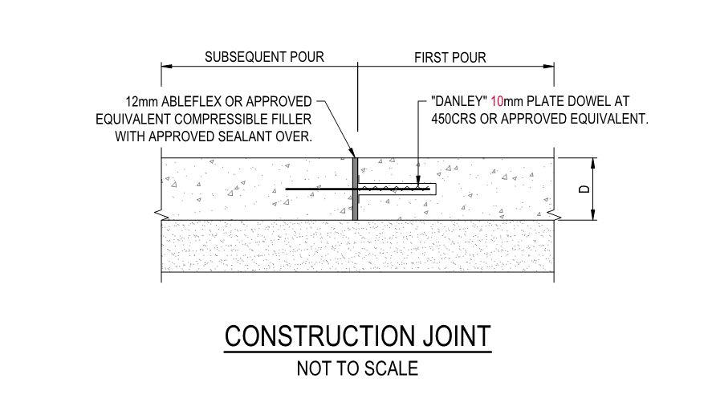
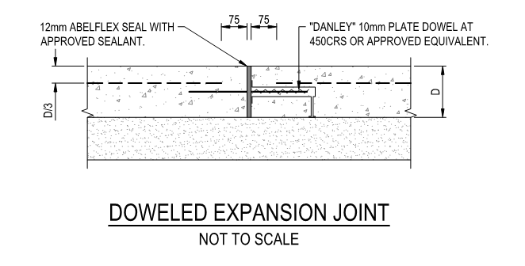
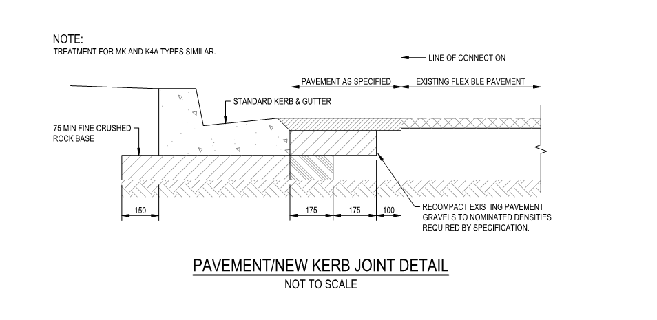
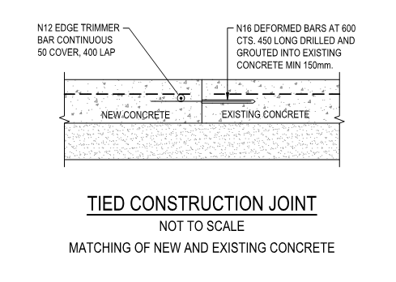
 |  |  | Inspection and Test Plan - Control and Supervision of the Works |  |  |  |  |  |  |  | Document # CTN-ITP-006
 |  |  |  |  |  |  |  |  |  |  | Revision : 0 | Date : 31/05/2023

Client: |  | Hobart International Airport Pty Ltd |  | Construction Process: |  | Prepared by: |  | Reviewed by : |  |  | Approved by :
Project: |  | Project Mercury Early Works At Hobart International Airport |  | Concrete - Footpaths, Crossings & Islands |  | Name: | Zac Buick | Name: |  |  | Name:
Contract No: |  | MER-EW-001 |  | Specifications: Hobart Airport Project Mercury Early Works Civil Specification. AS 3600, 1379
 |  |  |  | Structure / Component: Concrete Pavements |  | Signed : |  | Signed : |  |  | Signed :
 |  |  |  | Location: Hobart International Airport |  | Date : | 31/05/2023 | Date : |  |  | Date :

Lot No: |  |  | Lot Details: |  |  |  |  |  | Lot Size/ Quantity:

Item | Task/Activity Description |  | Inspection / Controls and Verification Detail |  |  |  |  | HP/ WP/ AP/ IP/ TP/ SCP | Responsibility | Checked by:
No. |  |  | Frequency | Acceptance Criteria | Reference Documents | Inspection / Test Method | Record of conformity |  | Project Engineer Site Engineer Superintendent Surveyor Foreman | Client | Fulton Hogan | FH's Sub-contractor | Date
1 | Preliminary Works
1.1 | Check for correct documentation |  | Prior to commencing any activity | Ensure that all employees and subcontractors are: - using the correct and complete set of drawings - all drawings are the latest revision | Drawings and drawing registers | Visual inspection | ITP Signed | HP* | Site Engineer/ Site Foreman | N/A |  | N/A
1.2 | Implementation of all measures and controls |  | Prior to commencing any activity | All necessary measures and controls are being implemented, that is: PSP, EMP, TMP, SWMS & WP | PSP, EMP, TMP, SWMS, WP | Visual Inspection | ITP Signed | HP* | Site Engineer/ Site Foreman | N/A
1.3 | Concrete Mix Design |  | Prior to first concrete pour | Supplied concrete pre-mixture for footpaths, needs to be in accordance with the supplied Early Works Civil Drawings. Unless specified, then concrete used in this construction shall conform to AS 3600 and be provided by an approved pre-mixed concrete supplier, conforming with AS 1379. | C.11.2 Work Procedure | Verify | ITP Signed Mix design approval | HP* | Site Engineer/ Superintendent
2 | Construction Works
2.1 | Setting Out |  | Prior to start | Set out work in accordance with drawings. The Engineer and Supervisor will review and confirm set out with the surveyor. No survey/level pegs to be removed by any persons until completion of works. | Work Procedure | Verify | This ITP Signed | HP* | Site Engineer/ Superintendent |  |  | N/A
2.2 | Excavation Permit |  | Each lot | An excavation permit must be issued prior to any excavation commencing. Plant and equipment shall be appropriate for the task. Excavation operations shall not disturb areas outside the limit of excavation | Excavation permit | Verify | ITP Signed | HP* | Site Engineer | N/A |  | N/A
2.3 | Excavation |  | Each Lot | Excavation completed to required depth to allow placement of the bedding layer | Work Procedure | Verify | ITP Signed | IP | Site Engineer | N/A |  | N/A
2.4 | Formwork |  | Each Lot | Formwork shall comply with the requirements of AS 3610 | Work Procedure | Verify | ITP Signed | IP | Site Engineer | N/A |  | N/A
2.5 | Reinforcement |  | Each Lot | Reinforcement must comply with the requirements of AS/NZS 4671. Concrtete Infill pavement reinforcement to be SL82 mesh central. Concrete Footpath Pavement reinforcement to be SL72 central reinforcement.If required to be stopped or cut either side of expansion joint (EJ) | DWG EW-CE-DRW-406-001 Work Procedure | Verify | ITP Signed | IP | Site Engineer | N/A |  | N/A
2.6 | Concrete Placement |  | Each Lot | The concrete, when placed, must be well tamped to remove all voids and to work fines to the surface for trowelling. Concrtete Infill pavement to be 150mm depth N25 concrete Concrete Footpath Pavement to be 100mm depth N25 concrete Concrete shall be of 25 MPa 28-day cylinder test compressive strength. The maximum aggregate size shall be 20mm. The slump shall not exceed 65mm or be less than 25mm | DWG EW-CE-DRW-406-001 C.11.2 | Visual Inspection | ITP Signed | IP | Site Engineer/ Site Foreman | N/A |  | N/A
2.7 | Surface Finish |  | Each Lot | A brushed finish shall be provided to the surface of the slab with joints and edges polished smooth for 80mm width with jointing and edging tools. The alignment of the edge of the path is to be straight and true to line. Deviations from alignment or from specified width will not be accepted. | C.11.5 | Visual Inspection | This ITP Signed | IP | Fulton Hogan Engineer | N/A |  | N/A
2.8 | Joints |  | Each Joint | Expansion Joint A 19mm expansion joint shall be provided whenever rigid pavements abut fixed structures or at max. 15m centres to footpaths. An approved joint sealer shall be inserted in the joint and finished flush with the surface of the path. Contraction Joints in footpaths and cycleways shall be constructed at 2.0 metre centres for footpaths. Concrete Infill Pavements to have Sawcut/tool joint at every 1200mm (DWG 406) | EW-CE-DRW-007-001 C.11.3 C.11.4 EW-CE-DRW-406-001 | Visual Inspection | This ITP Signed | IP | Site Engineer/ Site Foreman | N/A |  | N/A
2.9 | Protection of concrete |  | Each Lot | The finished path shall be protected from damage by passers-by and with polythene film for 24 hours after completion if rainfall during this period is apparent. Barricade, warning signs and lights shall be erected to prevent damage of the footpath from vehicles and pedestrians for not less than 24 hours after completion. | C.11.5 C.11.7 | Verify | This ITP Signed | IP | Site Foreman | N/A |  | N/A
2.1 | Curing - Pedestrian Footpaths |  | Each Lot | The entire footpath shall be protected against loss of moisture for a period of not less than 72 hours after placing by shrouding with polythene sheeting or by spraying with a curing compound complying with AS 3799. | C.11.6 | Verify | This ITP Signed | HP | Site Engineer/ Site Foreman | N/A |  | N/A
3 | Completion
3.1 | Carry out sampling of concrete - strength and consistency |  | Each 50m3 | Sampling and testing of the strength of concrete shall be carried out in accordance with Clause 6.2 of AS 1379. | Work Procedure | Checklist | ITP Signed/Test Records | TP | Site Engineer | N/A |  | N/A
3.2 | Backfilling |  | Each Lot | Contractor is reasonable to ensure the site is made safe and clean, this includes All cement droppings, slurry, etc. and surplus materials to be removed from site, cleaning of surrounding strcutres from conrere splats. All formwork, pegs, stakes, etc. shall be removed after the curing of the path has been completed. | C.11.8 | Verify | This ITP Signed | IP | Site Foreman | N/A |  | N/A
3.3 | As-constructed survey and conformance documentation |  | Each Lot ( 1 per day) | Lot Maps shall be completed to show the extent of works for each lot. | Work Procedure | Verify | Visual match existing / This ITP signed off | SCP | FH Engineer/ Surveyor | N/A |  | N/A

 | Final Inspection
 | The signature below verifies that this ITP has been completed in accordance with the FH’s Quality system Procedures and verifies lot compliance with specifications.
 | Print Name: |  | Position: |  | Signature: |  |  |  |  | Date: / /

Legend
HP | Hold Point | Work shall not proceed past the HP until released by the Superintendent |  |  | IP | Inspection point |  | Formal Inspection to be done and recorded
HP* | FH Hold Point | Work shall not proceed past the HP* until released by FH |  |  | TP | Test Point |  | Product compliance test to be undertaken and recorded/reported
WP | Witness Point | An inspection which must be witnessed by the Superintendent |  |  | SCP | Survey conformance point |  | A qualified surveyor to check product/section/structure and report
AP | Approval Point | Written or verbal approval given by the Superintendent

